simplified.weather.numeric.arff
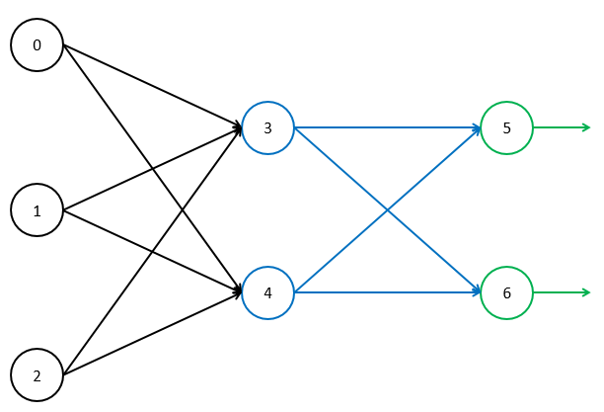
Learning Rate | 0.1
Momentum | 0.1
Bias Value | 1

Epoch | Temperature | Humidity | Windy | Play | Node |  |  |  |  |  |  |  |  |  |  |  |  |  |  |  |  |  |  |  |  |  |  |  |  |  |  |  | Weight
 |  |  |  |  | Input |  |  |  |  |  |  | output |  |  |  |  |  |  | target |  |  |  |  |  |  | error |  |  |  |  |  |  | Initial |  |  |  |  |  |  |  |  |  |  |  |  |  |  |  |  | Delta |  |  |  |  |  |  |  |  |  |  |  |  |  |  |  |  | Final
 |  |  |  |  | 0 | 1 | 2 | 3 | 4 | 5 | 6 | 0 | 1 | 2 | 3 | 4 | 5 | 6 | 0 | 1 | 2 | 3 | 4 | 5 | 6 | 0 | 1 | 2 | 3 | 4 | 5 | 6 | 03 | 04 | 13 | 14 | 23 | 24 | 35 | 36 | 45 | 46 | b0 | b1 | b2 | b3 | b4 | b5 | b6 | 03 | 04 | 13 | 14 | 23 | 24 | 35 | 36 | 45 | 46 | b0 | b1 | b2 | b3 | b4 | b5 | b6 | 03 | 04 | 13 | 14 | 23 | 24 | 35 | 36 | 45 | 46 | b0 | b1 | b2 | b3 | b4 | b5 | b6
1 | 85 | 85 | 1 | 1 |  |  |  | 0 | 0 | 0 | 0 | 85 | 85 | 1 | 0.5 | 0.5 | 0.5 | 0.5 |  |  |  |  |  | 0 | 1 | 0 | 0 | 0 | 0 | 0 | -0.125 | 0.125 | 0 | 0 | 0 | 0 | 0 | 0 | 0 | 0 | 0 | 0 | 0 | 0 | 0 | 0 | 0 | 0 | 0 | 0 | 0 | 0 | 0 | 0 | 0 | -0.00625 | 0.00625 | -0.00625 | 0.00625 |  |  |  | 0 | 0 | -0.0125 | 0.0125 | 0 | 0 | 0 | 0 | 0 | 0 | -0.00625 | 0.00625 | -0.00625 | 0.00625 | 0 | 0 | 0 | 0 | 0 | -0.0125 | 0.0125
 | 80 | 90 | 0 | 1 |  |  |  | 0 | 0 | -0.01875 | 0.01875 | 80 | 90 | 0 | 0.5 | 0.5 | 0.49531263732 | 0.50468736268 |  |  |  |  |  | 0 | 1 | 0 | 0 | 0 | 0.00038692898948 | 0.00038692898948 | -0.12381727663 | 0.12381727663 | 0 | 0 | 0 | 0 | 0 | 0 | -0.00625 | 0.00625 | -0.00625 | 0.00625 | 0 | 0 | 0 | 0 | 0 | -0.0125 | 0.0125 | 0.0030954319159 | 0.0030954319159 | 0.0034823609053 | 0.0034823609053 | 0 | 0 | -0.0068158638317 | 0.0068158638317 | -0.0068158638317 | 0.0068158638317 | 0 | 0 | 0 | 3.8692898948E-05 | 3.8692898948E-05 | -0.013631727663 | 0.013631727663 | 0.0030954319159 | 0.0030954319159 | 0.0034823609053 | 0.0034823609053 | 0 | 0 | -0.013065863832 | 0.013065863832 | -0.013065863832 | 0.013065863832 | 0 | 0 | 0 | 3.8692898948E-05 | 3.8692898948E-05 | -0.026131727663 | 0.026131727663
 | 83 | 86 | 1 | 0 |  |  |  | 0.55644257977 | 0.55644257977 | -0.042741812188 | 0.042741812188 | 83 | 86 | 1 | 0.635629023 | 0.635629023 | 0.48931617339 | 0.51068382661 |  |  |  |  |  | 1 | 0 | 0.032542625978 | 0.039321542813 | 0 | -0.00077234154785 | -0.00077234154785 | 0.12761266508 | -0.12761266508 | 0.0030954319159 | 0.0030954319159 | 0.0034823609053 | 0.0034823609053 | 0 | 0 | -0.013065863832 | 0.013065863832 | -0.013065863832 | 0.013065863832 | 0 | 0 | 0 | 3.8692898948E-05 | 3.8692898948E-05 | -0.026131727663 | 0.026131727663 | -0.0061008916556 | -0.0061008916556 | -0.006293901221 | -0.006293901221 | -7.7234154785E-05 | -7.7234154785E-05 | 0.0074298449796 | -0.0074298449796 | 0.0074298449796 | -0.0074298449796 | 0 | 0 | -0.0013065863832 | -7.3364864891E-05 | -7.3364864891E-05 | 0.011398093742 | -0.011398093742 | -0.0030054597397 | -0.0030054597397 | -0.0028115403157 | -0.0028115403157 | -7.7234154785E-05 | -7.7234154785E-05 | -0.0056360188522 | 0.0056360188522 | -0.0056360188522 | 0.0056360188522 | 0 | 0 | -0.0013065863832 | -3.4671965942E-05 | -3.4671965942E-05 | -0.014733633922 | 0.014733633922
 | 70 | 96 | 1 | 0 |  |  |  | -0.48040195821 | -0.48040195821 | -0.019041324437 | 0.019041324437 | 70 | 96 | 1 | 0.38215721315 | 0.38215721315 | 0.49523981272 | 0.50476018728 |  |  |  |  |  | 1 | 0 | -0.0097498122395 | -0.017221753173 | 0 | -0.00033582127883 | -0.00033582127883 | 0.12617860927 | -0.12617860927 | -0.0030054597397 | -0.0030054597397 | -0.0028115403157 | -0.0028115403157 | -7.7234154785E-05 | -7.7234154785E-05 | -0.0056360188522 | 0.0056360188522 | -0.0056360188522 | 0.0056360188522 | 0 | 0 | -0.0013065863832 | -3.4671965942E-05 | -3.4671965942E-05 | -0.014733633922 | 0.014733633922 | -0.0029608381174 | -0.0029608381174 | -0.0038532743989 | -0.0038532743989 | -4.1305543362E-05 | -4.1305543362E-05 | 0.0055649910656 | -0.0055649910656 | 0.0055649910656 | -0.0055649910656 | 0 | 0 | -0.00056360188522 | -4.0918614372E-05 | -4.0918614372E-05 | 0.013757670301 | -0.013757670301 | -0.0059662978571 | -0.0059662978571 | -0.0066648147146 | -0.0066648147146 | -0.00011853969815 | -0.00011853969815 | -7.1027786593E-05 | 7.1027786593E-05 | -7.1027786593E-05 | 7.1027786593E-05 | 0 | 0 | -0.0018701882684 | -7.5590580315E-05 | -7.5590580315E-05 | -0.00097596362098 | 0.00097596362098

